Overview
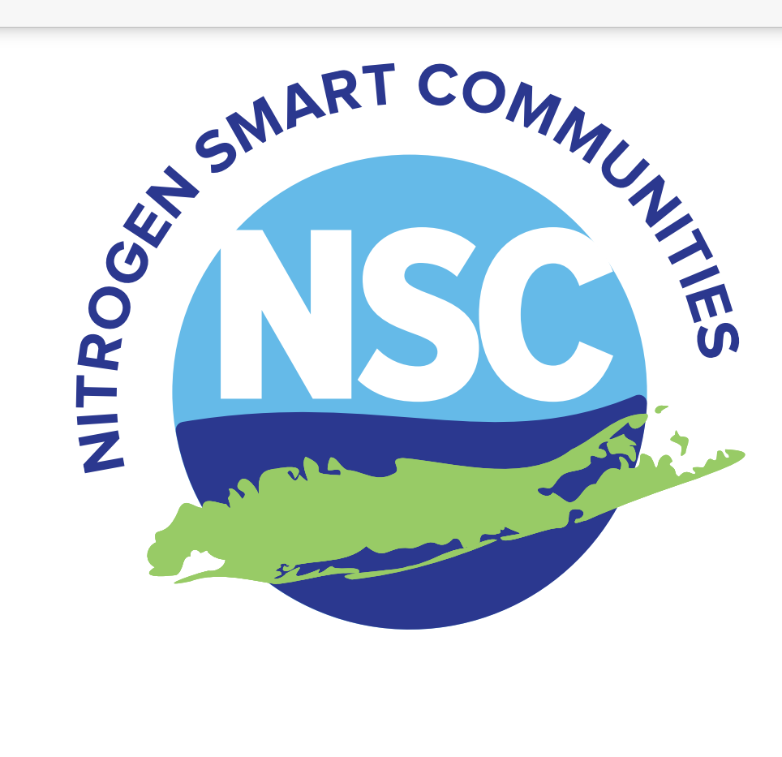
Overview of NSC Step 4 Worksheet
 | Municipality Name:
 | Version 2025.3
 | Purpose:
 | Understanding where nitrogen pollution is coming from in the municipality is the first step in creating a plan to reduce and eliminate those sources from entering the waterways. It is important to investigate these sources on a local level to form strategic community-specific nitrogen reduction activities. Refer to NSC Program Guide Step 4 for detailed information.

 | Instructions:
 | The Step 4 Worksheet consists of 3 tabs to be completed and submitted. Information provided is denoted by light green cells. Grey cells will be automatically populated. Yellow cells are cells that need to be filled out.
 | Spreadsheet Tabs:
 | Overview
 | Action 4.1: Activity List
 | The Action 4.1 Activity List tab will include activities that are selected based on priority sources of nitrogen and established goals and strategies. TheNSC Activity List can be used as a guide for selecting activities.
 | Action 4.2: Resources and Other Considerations
 | When completing Action 4.2, the Activities created in Action 4.1 will populate on the Action 4.2 Resources page. Complete the Resources and Other Considerations that will need to be examined prior to implementing activities. Refer to Step 4 of the NSC Program Guide for more information on Resources and Other Considerations.
 | Action 4.3 : Plan and Schedule
 | Action 4.3 is the Plan and Schedule that will be used as the guide for the municipality to implement activities. Activity Name, Description, Source and Outcome will automatically populate from the Action 4.1 tab. Resource(s) Needed and Other Considerations(s) will automatically populate from the Action 4.2 table. Please refer to the Sample Plan and Schedule as a reference prior to completing the Action 4.3 Worksheet. Once the target start and end dates are filled in a visual representation of your Plan and Schedule will populate in the chart to the right of the Action 4.3 tab.

Nitrogen Smart Communities Step 4 Worksheet

Action 4.3 Plan and Schedule
 | Target Start Date
 |  | 1
 |  | 1
 |  | 1
 |  | 1
 |  | 1
 |  | 1
 |  | 1
 |  | 1
 |  | 1
 |  | 1
Action 4.3: Plan and Schedule
Instructions: | Complete the table below to provide an activity schedule. Please refer to the Sample Plan and Schedule located in the NSC Toolkit as a reference. Activity Name, Description, Source, Outcome, Resources, and Considerations will automatically populate from entries in Action 4.1 and 4.2 tabs. Please fill in the target start and end dates to finalize the schedule. A visual representation of your Plan will populate in the chart to the right.
Activity Name | Description | Source(s) Addressed | Outcome(s) Expected | Resource(s) Needed | Considerations | Target Start Date | Target End Date | Duration
 |  |  |  |  |  |  |  | 1
 |  |  |  |  |  |  |  | 1
 |  |  |  |  |  |  |  | 1
 |  |  |  |  |  |  |  | 1
 |  |  |  |  |  |  |  | 1
 |  |  |  |  |  |  |  | 1
 |  |  |  |  |  |  |  | 1
 |  |  |  |  |  |  |  | 1
 |  |  |  |  |  |  |  | 1
 |  |  |  |  |  |  |  | 1

